dashboard
Household Energy Consumption Analysis

 | Total
1/1/2020 | 9990
2/1/2020 | 11398
3/1/2020 | 9003
4/1/2020 | 5748
5/1/2020 | 9775
6/1/2020 | 9155
7/1/2020 | 10699
8/1/2020 | 7611
9/1/2020 | 7529
10/1/2020 | 10107
11/1/2020 | 7571
12/1/2020 | 7565
 | Total
H007 | 650
H026 | 647
H047 | 647
H053 | 650
H075 | 650
H078 | 654
H174 | 655
H176 | 646
H244 | 689
H246 | 649

 | Total
1 | 14640
2 | 12963
3 | 14366
4 | 17965
5 | 14036
6 | 14296
7 | 17885
 | Total
High | 25385
Low | 28236
Medium | 52530

summary
1) Convert to Table (Ctrl+T).
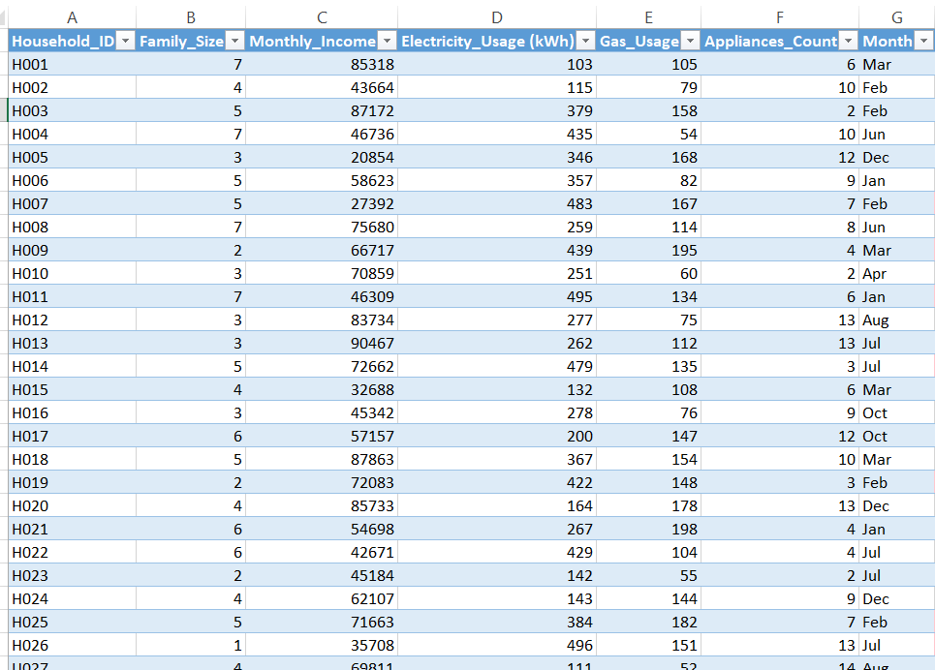

2) Add Total_Energy_Usage, Income_Band, Month_Date.
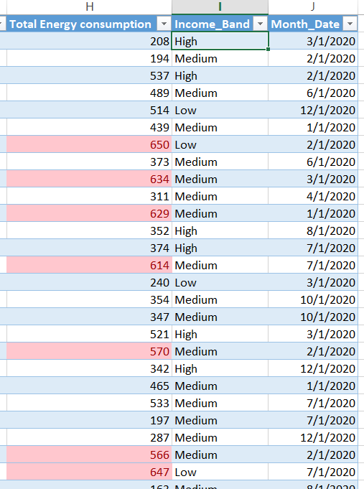

3) Create PivotCharts from those pivots.
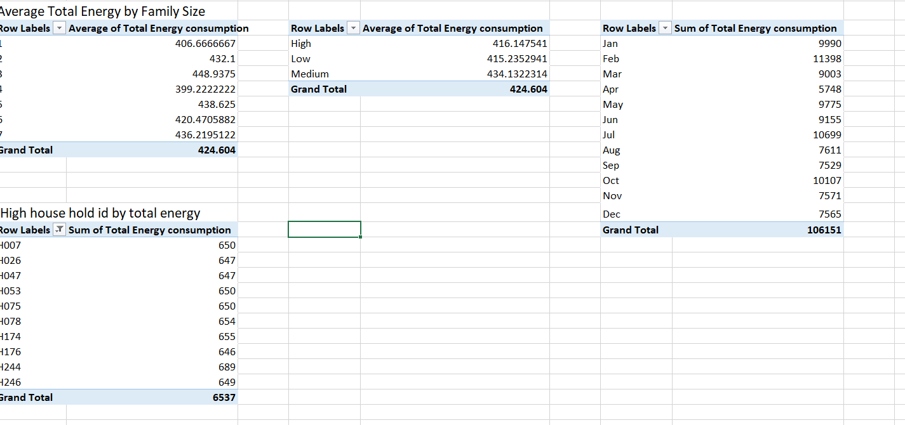

4) Arrange everything on the Dashboard sheet and save.
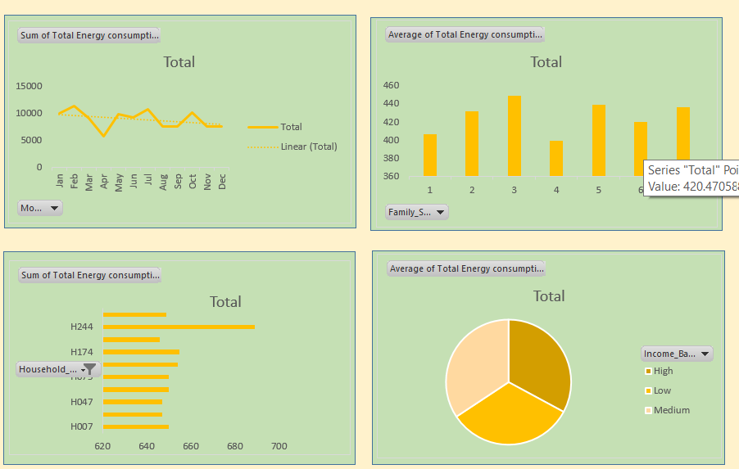

5) Insert Slicers and a Timeline and connect them to all pivots.
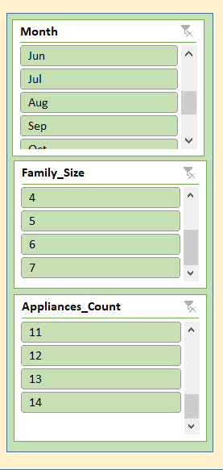

6) Insights

Family Size vs Energy Usage

Larger families (≥5 members) generally consume more total energy (electricity + gas), especially when combined with a high number of appliances.

Example: H001 (7 members, 6 appliances) shows higher overall consumption compared to small families.

Top High-Energy Consumers

H004, H019, H026 stand out with extremely high electricity/gas usage.

These are ideal targets for energy audits and savings interventions.

High-Income Families Use More Energy

Families with income > ₹80,000 (e.g., H001, H003, H012) consume above-average electricity, possibly due to more appliances and comfort devices (AC, geysers).

